Sheet1
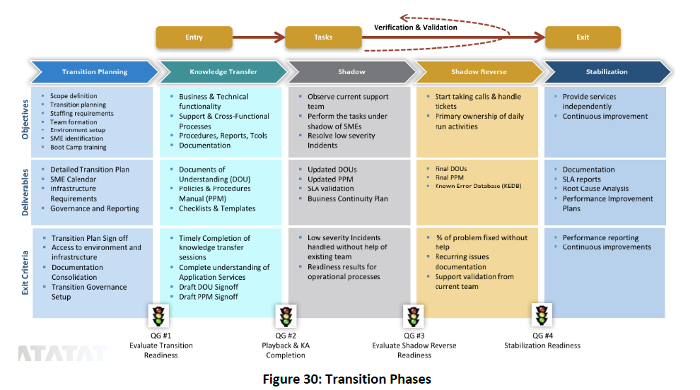
VALE
· Knowledge Transfer: KT sessions completed;
· Shadow: 50% retention of new P3 + P4 incidents (last month);
· Shadow Reverse: 100% retention of all new Incidents (last month).

PROPOSTA TCS

